Mardome Circular Weights
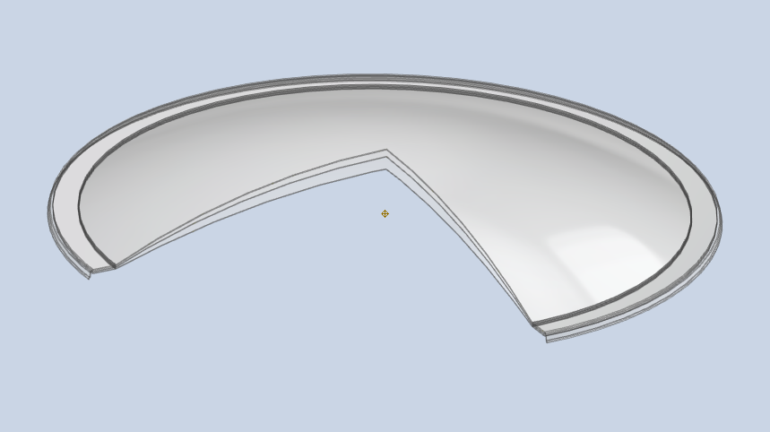
Note - The guide weights given below are calculated estimates and not actual values.
 |  |  | Size | Glazing |  |  |  | Kerb |  |  | Packaging
Weight |  | = | Pick 1 | Pick 1 |  |  | + | Pick 1 |  | + | Pick 1
 |  |  | Length x Width | Single | Double | Triple |  | To suit existing Builders Upstand | Insulated GRP Kerb |  | All variants
 |  |  | 600 x 600 | 1.3 | 2.0 | 2.5 |  | 0 | 4.3 |  | 4.1
 |  |  | 750 x 750 | 1.9 | 3.0 | 3.9 |  | 0 | 5.4 |  | 5.0
 |  |  | 900 x 900 | 2.7 | 4.3 | 5.6 |  | 0 | 6.5 |  | 6.1
 |  |  | 1050 x 1050 | 3.6 | 5.7 | 7.5 |  | 0 | 7.6 |  | 7.3
 |  |  | 1200 x 1200 | 4.7 | 7.5 | 9.8 |  | 0 | 8.8 |  | 8.7
 |  |  | 1350 x 1350 | 5.9 | 9.4 | 12.5 |  | 0 | 9.9 |  | 19.9
 |  |  | 1500 x 1500 | 7.2 | 11.6 | 15.4 |  | 0 | 11.0 |  | 24.5
 |  |  | 1800 x 1800 | 10.2 | 16.4 | 22.0 |  | 0 | 13.2 |  | 35.3

xxx | Available for next day delivery (max. 3 units)
- | Unavailable

